Sheet1
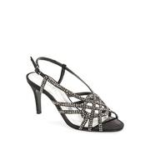
LAT_0500082494121

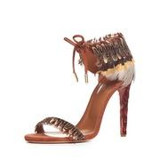
BDGM_prod118600048

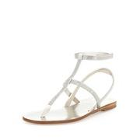
NEIMAN_prod184050197

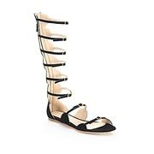
SAKS_0400089065240

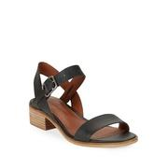
LAT_0500088752555

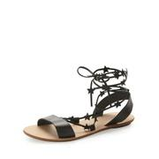
BDGM_prod116070037

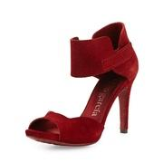
NEIMAN_prod189060152

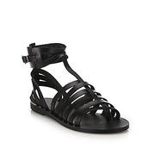
SAKS_0400089207077

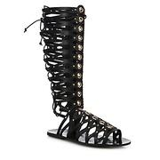
SAKS_0400089390038

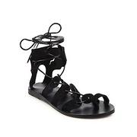
SAKS_0400089206916

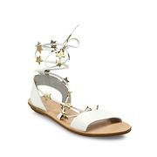
SAKS_0400089357854

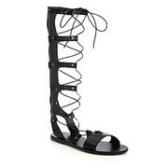
SAKS_0400088861686

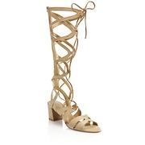
SAKS_0400088993951

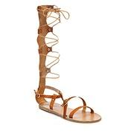
SAKS_0400088861658

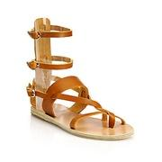
SAKS_0400088861648

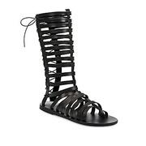
SAKS_0400089207207

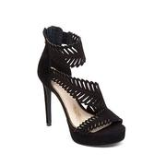
LAT_0500085333128

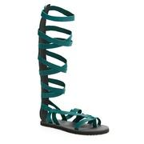
LAT_0500042885418

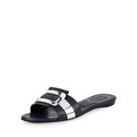
NEIMAN_prod184120408

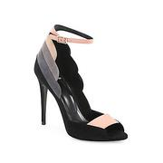
SAKS_0400090450865

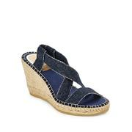
LAT_0500089879258

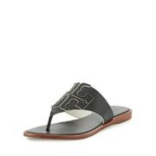
NEIMAN_prod188890059

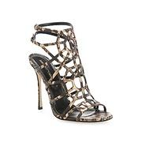
SAKS_0400090413153

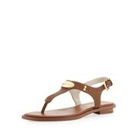
NEIMAN_prod163250278

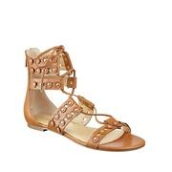
LAT_0500089678429

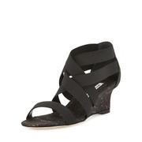
BDGM_prod106100015

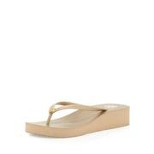
NEIMAN_prod143590104

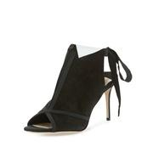
BDGM_prod120350177

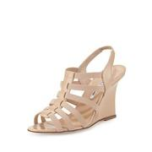
NEIMAN_prod190670087

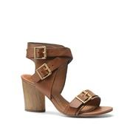
LAT_0500080667538

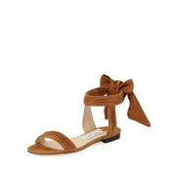
NEIMAN_prod188020345

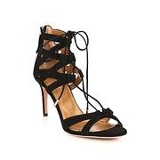
SAKS_0400088905148

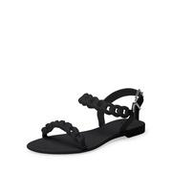
NEIMAN_prod173880161

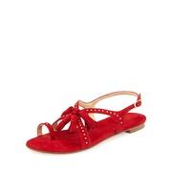
NEIMAN_prod184630124

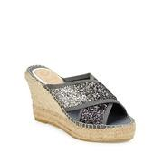
LAT_0500089877906

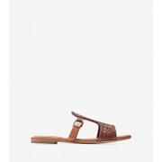
COLEHAAN_W01958

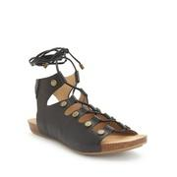
LAT_0500043213941

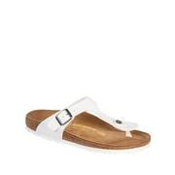
LAT_0500019855204

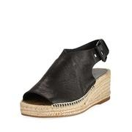
NEIMAN_prod187630028

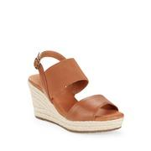
LAT_0500088897327

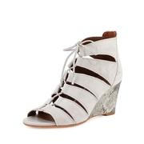
NEIMAN_prod184820106

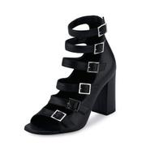
BDGM_prod118770175

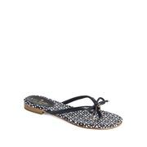
LAT_0500041871591

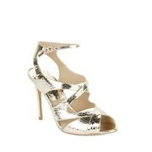
LAT_0500080931215

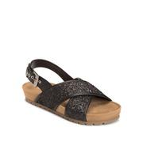
LAT_0500042571091

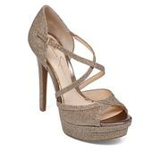
LAT_0500079814646

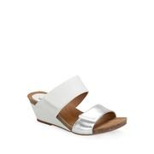
LAT_0500040576167

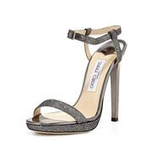
NEIMAN_prod183770271

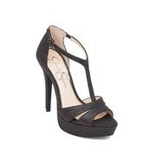
LAT_0500085368736

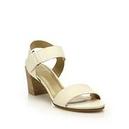
SAKS_0400088330890


SAKS_0400089389588


LAT_0500042514133


NEIMAN_prod192370033


LAT_0500083309906


LAT_0500086594983


NEIMAN_prod190920813


LAT_0500088645593


NEIMAN_prod192380152


NEIMAN_prod188840131


LAT_0500042303271


NEIMAN_prod185200032


AEGL_7413_9065


NEIMAN_prod187660048


LAT_0500043711225


RALPH_99256676


NEIMAN_prod174440209


BDGM_prod120560008


LAT_0500089784714


LAT_0500084945377


NEIMAN_prod187760339


LAT_0500088673751


SAKS_0400090559963


LAT_0500086698982


NEIMAN_prod188020400


NEIMAN_prod187860014


NEIMAN_prod188120369


SAKS_0400090363979


BDGM_prod109500075


RALPH_87041956


LAT_0500085839090


SAKS_0400090379098


LAT_0500088365861


NEIMAN_prod166310112


NEIMAN_prod181700184


LAT_0500088166889


NEIMAN_prod189780104


NEIMAN_prod185430148


MOOSEJAW_10304603


LAT_0500040109878


BDGM_prod106000148


LAT_0500089981476


NEIMAN_prod174520247


LAT_0500089513188


EDDIEBAUER_92006140


NEIMAN_prod192370117


LAT_0500087207254


NEIMAN_prod174040084


NEIMAN_prod191830208


LAT_0500041175548


NEIMAN_prod189070006


LAT_0500081016222


AEGL_1415_3641


COLEHAAN_W03507


BDGM_prod120000051


NEIMAN_prod185430158


SAKS_0400090211070


NEIMAN_prod185220343


AVON_55689


LAT_0500082825118


NEIMAN_prod185810189


BDGM_prod114360093


NEIMAN_prod187990493


NEIMAN_prod191080473


LAT_0500040088734


NEIMAN_prod185390204


LAT_0500043209071


NEIMAN_prod188060026


NEIMAN_prod184160217


LAT_0500042409581


LAT_0500019785047


BDGM_prod117950028


BDGM_prod115700225


AEGL_7413_8087


LAT_0500044601714


LAT_0500089796460


LAT_0500086898434


NEIMAN_prod175620170


SOLE_140443


LAT_0500089940381


NEIMAN_prod179210301


NEIMAN_prod188000046


NEIMAN_prod174760243


BDGM_prod120370054


MOOSEJAW_10276552


LAT_0500088792833


SAKS_0400087259082


LAT_0500019785146


LAT_0500080823818


LAT_0500088894357


BDGM_prod115700069


BDGM_prod118310164


LAT_0500043618032


COLEHAAN_W05545


RALPH_99256486


NEIMAN_prod165910127


LAT_0500046722864


LAT_0500040450009


MOOSEJAW_10273497


NEIMAN_prod189340103

